RFQ Data Pack
M Barnwell Services Ltd. |  |  |  | DP1 ISS04/19 UNCONTROLLED

Tel: 0121 429 8011 Fax: 0121 434 3016
 |  |  |  |  | If you require any assistance please contact the team
sales@barnwell.co.uk www.barnwell.co.uk

RFQ COMMERCIALS |  | SIGNALS | TEMPERATURE |  |  | MEDIA |  |  |  | PRESSURE
RFQ Type (MBS use only) | Size Recommendation | Written Technical Specification | Min |  |  | Comments: |  |  |  | Min
Sample Qty |  | Communication between both parties | Max |  |  |  |  |  |  | Max
Production Qty |  | Quality Standard/Specification | Cycling (provide details below) |  |  |  |  |  |  | Uni-Directional
Required Lead-time |  | Comments: |  |  |  |  |  |  |  | Bi-Directional
Comments: |  |  | Comments: |  |  |  |  |  |  | Internal
 |  |  |  |  |  |  |  |  |  | External
 |  |  |  |  |  |  |  |  |  | Comments:

FAILURE MODES/SIDE EFFECTS |  |  |  |  |  |  |  |  |  | MATERIALS
Compression Set |  |  |  |  |  |  |  |  |  | Comments:
Cracking/Fracturing
Installation Damage
Twisting/Spiralling
Outgassing (ED/RGD)
Insufficient Sealing Force
Embrittlement |  |  |  |  |  |  |  |  |  | HARDWARE DETAILS
Thermal Extrusion |  |  |  |  |  |  |  |  |  | Groove Type
Pressure Extrusion |  |  |  |  |  |  |  |  |  | Static/Dynamic
Wear/Fatigue |  |  |  |  |  |  |  |  |  | Linear/Rotary
Swell |  |  |  |  |  |  |  |  |  | Stroke Length
Thermal Degradation |  | NONE SPECIFIC | APPROVALS |  |  | ASSEMBLY AIDS |  |  |  | Stroke Speed
Chemical Degradation/Attack |  | Comments: | Comments: |  |  | Comments: |  |  |  | Open/Closed Groove
Stress Induced Attack |  |  |  |  |  |  |  |  |  | Can hardware be changed
 |  |  |  |  |  |  |  |  |  | Hardware materials
Comments: |  |  |  |  |  |  |  |  |  | Comments:

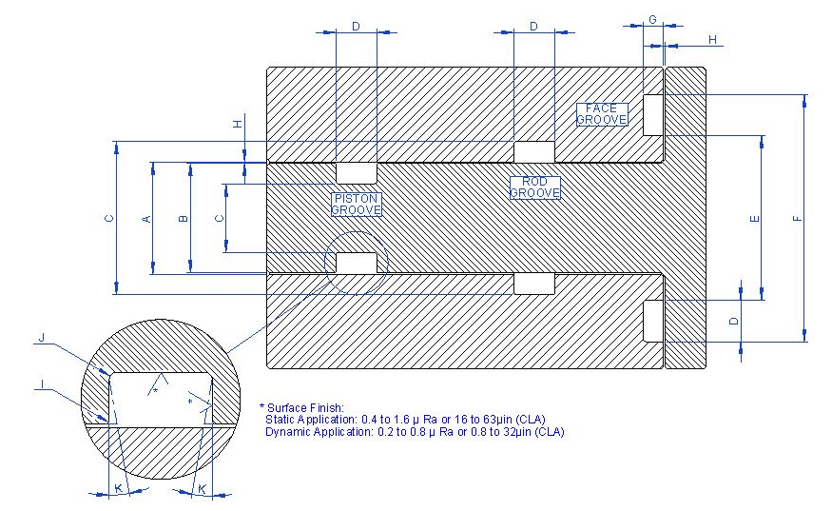 |  |  |  |  |  |  | HARDWARE INPUTS
 |  |  |  |  |  |  | A | Bore/Rod Clearance Dia | Nom: |  | Min
 |  |  |  |  |  |  |  |  |  |  | Max
 |  |  |  |  |  |  | B | Piston/Rod Dia | Nom: |  | Min
 |  |  |  |  |  |  |  |  |  |  | Max
 |  |  |  |  |  |  | C | Groove Diameter | Nom: |  | Min
 |  |  |  |  |  |  |  |  |  |  | Max
 |  |  |  |  |  |  | D | Groove Width | Nom: |  | Min
 |  |  |  |  |  |  |  |  |  |  | Max
 |  |  |  |  |  |  | E | Inside Diameter | Nom: |  | Min
 |  |  |  |  |  |  |  |  |  |  | Max
 |  |  |  |  |  |  | F | Outside Diameter | Nom: |  | Min
 |  |  |  |  |  |  |  |  |  |  | Max
 |  |  |  |  |  |  | G | Groove Depth | Nom: |  | Min
 |  |  |  |  |  |  |  |  |  |  | Max
 |  |  |  |  |  |  | H | Max Clearance Gap | Nom: |  | Min
 |  |  |  |  |  |  |  |  |  |  | Max
 |  |  |  |  |  |  | I | Radius - Top of Groove | Nom: |  | Min
 |  |  |  |  |  |  |  |  |  |  | Max
 |  |  |  |  |  |  | J | Radius - Base of Groove | Nom: |  | Min
 |  |  |  |  |  |  |  |  |  |  | Max
 |  |  |  |  |  |  | K | Dove Tail Groove

 |  |  |  |  |  |  |  | Dove Tail Angle ( from straight wall in degrees)

